4. FMEA-heavy Scores
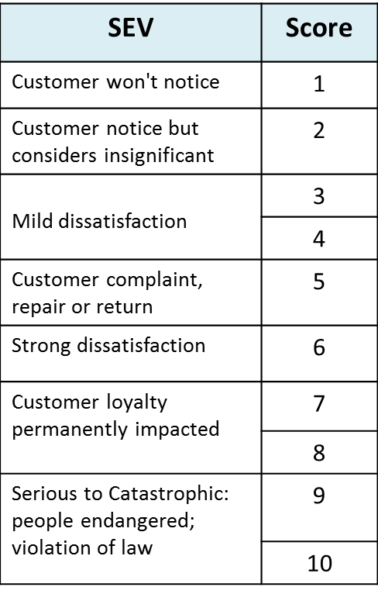
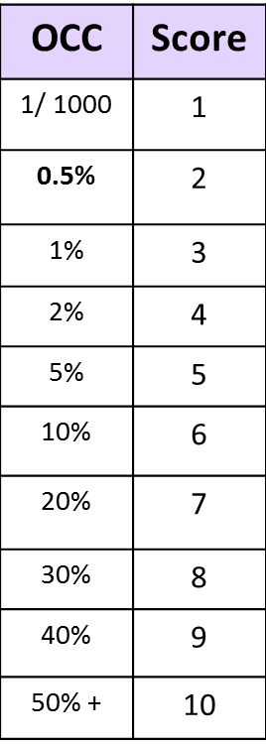
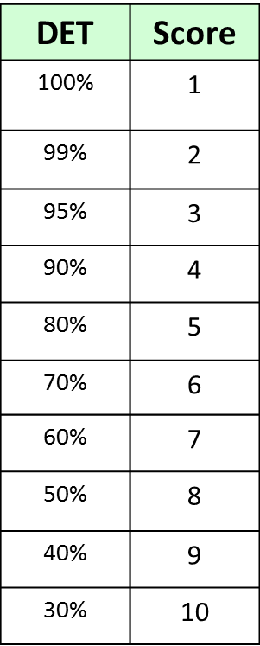
Here's an illustration of a scoring systems with more levels of gradation. The values for each score can vary, depending on the industry and the problem.
For example, a high-quality manufacturing company would have much more stringent requirements in OCC and DET
You can find many examples on the web by just searching for "FMEA" or ""FMEA-Lite"

